ABM
Bulk Supply Summary Information and Peak Load Forecast
Substation | ABM - Abermain BS (110/33kV) |  |  |  |  |  | Supply | ABM - ABERMAIN 33 CP

Description | Land area is 59100 sqm, Construction is a mixture of various construction classes

 | It excludes all the power transformers owned by other TNSP or DNSP.

 | Capacity of commissioned Embedded Generation (with Connection Agreements) is 3.5 MVA
Growth Rates
Load Category | Industrial
Localities | Supplies Amberley, Ebbw Vale, Ebenezer, Karrabin, Marburg, Moggill, Mt Crosby, Mt Crosby West, Nth Ipswich, Rosewood

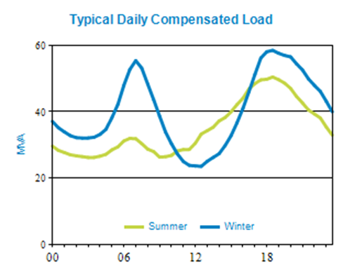
 |  |  |  | Latest Peak Compensated Load |  |  |  | 83.1 MVA on 08/03/2022 at 17:30
 |  |  |  | Major Loads |  |  |  | Yes

PEAK LOAD FORECAST AND CAPACITY | SUMMER |  |  |  |  | WINTER
 | 2022/23 | 2023/24 | 2024/25 | 2025/26 | 2026/27 | 2022 | 2023 | 2024 | 2025 | 2026
Peak Risk Period | Night | Night | Night | Night | Night | Night | Night | Night | Night | Night
NCC Rating (MVA) | 342.3 | 342.3 | 342.3 | 342.3 | 342.3 | 359.4 | 359.4 | 359.4 | 359.4 | 359.4
Contracted non-network (MVA) | 0.0 | 0.0 | 0.0 | 0.0 | 0.0 | 0.0 | 0.0 | 0.0 | 0.0 | 0.0
10 PoE Load (MVA) | 97.7 | 101.5 | 105.3 | 107.0 | 107.4 | 79.8 | 83.4 | 88.1 | 91.4 | 92.2
LARn (MVA)
LARn (MW)
Power Factor at Peak Load | 1.0 | 1.0 | 1.0 | 1.0 | 1.0 | 1.0 | 1.0 | 1.0 | 1.0 | 1.0
ECC Rating (MVA) | 228.0 | 228.0 | 228.0 | 228.0 | 228.0 | 239.4 | 239.4 | 239.4 | 239.4 | 239.4
50 PoE Load (MVA) | 88.9 | 92.7 | 96.4 | 98.1 | 98.5 | 75.5 | 79.0 | 83.7 | 86.9 | 87.6
50 PoE Load > 95% (MVA) | 4.4 | 4.6 | 4.8 | 4.9 | 4.9 | 3.8 | 4.0 | 4.2 | 4.3 | 4.4
Hours PA > 95% Peak Load | 28.5 | 28.5 | 28.5 | 28.5 | 28.5 | 28.5 | 28.5 | 28.5 | 28.5 | 28.5
Raw LAR (MVA)
2HR Rating (MVA) | 250.8 | 250.8 | 250.8 | 250.8 | 250.8 | 262.2 | 262.2 | 262.2 | 262.2 | 262.2
Auto Trans Avail (MVA) | 0.0 | 0.0 | 0.0 | 0.0 | 0.0 | 0.0 | 0.0 | 0.0 | 0.0 | 0.0
Remote Trans Avail (MVA) | 0.0 | 0.0 | 0.0 | 0.0 | 0.0 | 0.0 | 0.0 | 0.0 | 0.0 | 0.0
Manual Trans Avail (MVA) | 0.0 | 0.0 | 0.0 | 0.0 | 0.0 | 0.0 | 0.0 | 0.0 | 0.0 | 0.0
Mobile Plant Avail (MVA) | 0.0 | 0.0 | 0.0 | 0.0 | 0.0 | 0.0 | 0.0 | 0.0 | 0.0 | 0.0
POPS | No | No | No | No | No | No | No | No | No | No
Bus Configuration | Solid | Solid | Solid | Solid | Solid | Solid | Solid | Solid | Solid | Solid
LARc (MVA)
LARc (MW)
Customer Category | Rural | Rural | Rural | Rural | Rural | Rural | Rural | Rural | Rural | Rural
Meets Security Standard | Yes | Yes | Yes | Yes | Yes | Yes | Yes | Yes | Yes | Yes

Back to Index

AGT
Bulk Supply Summary Information and Peak Load Forecast
Substation | AGT - Algester BS (110/33kV) |  |  |  |  |  | Supply | AGT - ALGESTER 33 CP

Description | Land area is 39150 sqm, Construction is a mixture of various construction classes

 | It excludes all the power transformers owned by other TNSP or DNSP.

 | Capacity of commissioned Embedded Generation (with Connection Agreements) is 2.8 MVA
Growth Rates
Load Category | Mixed Domestic
Localities | Supplies Acacia Ridge, Algester, Calamvale

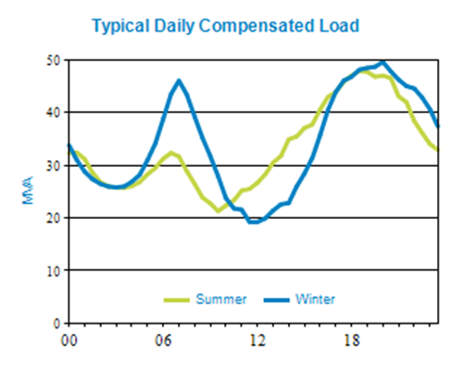
 |  |  |  | Latest Peak Compensated Load |  |  |  | 79.2 MVA on 02/02/2022 at 14:30
 |  |  |  | Major Loads

PEAK LOAD FORECAST AND CAPACITY | SUMMER |  |  |  |  | WINTER
 | 2022/23 | 2023/24 | 2024/25 | 2025/26 | 2026/27 | 2022 | 2023 | 2024 | 2025 | 2026
Peak Risk Period | Day | Day | Day | Day | Day | Night | Night | Night | Night | Night
NCC Rating (MVA) | 328.2 | 328.2 | 328.2 | 328.2 | 328.2 | 355.6 | 355.6 | 355.6 | 355.6 | 355.6
Contracted non-network (MVA) | 0.0 | 0.0 | 0.0 | 0.0 | 0.0 | 0.0 | 0.0 | 0.0 | 0.0 | 0.0
10 PoE Load (MVA) | 82.9 | 82.0 | 81.3 | 81.0 | 80.6 | 63.2 | 64.1 | 63.4 | 63.8 | 63.9
LARn (MVA)
LARn (MW)
Power Factor at Peak Load | 1.0 | 1.0 | 1.0 | 1.0 | 1.0 | 1.0 | 1.0 | 1.0 | 1.0 | 1.0
ECC Rating (MVA) | 185.0 | 185.0 | 185.0 | 185.0 | 185.0 | 196.9 | 196.9 | 196.9 | 196.9 | 196.9
50 PoE Load (MVA) | 74.7 | 73.9 | 73.3 | 73.0 | 72.7 | 58.8 | 59.6 | 59.0 | 59.4 | 59.4
50 PoE Load > 95% (MVA) | 3.7 | 3.7 | 3.7 | 3.7 | 3.6 | 2.9 | 3.0 | 3.0 | 3.0 | 3.0
Hours PA > 95% Peak Load | 5.5 | 5.5 | 5.5 | 5.5 | 5.5 | 5.5 | 5.5 | 5.5 | 5.5 | 5.5
Raw LAR (MVA)
2HR Rating (MVA) | 251.5 | 251.5 | 251.5 | 251.5 | 251.5 | 262.9 | 262.9 | 262.9 | 262.9 | 262.9
Auto Trans Avail (MVA) | 0.0 | 0.0 | 0.0 | 0.0 | 0.0 | 0.0 | 0.0 | 0.0 | 0.0 | 0.0
Remote Trans Avail (MVA) | 35.3 | 35.0 | 34.5 | 34.3 | 34.0 | 30.0 | 30.8 | 30.5 | 30.6 | 30.6
Manual Trans Avail (MVA) | 0.0 | 0.0 | 0.0 | 0.0 | 0.0 | 0.0 | 0.0 | 0.0 | 0.0 | 0.0
Mobile Plant Avail (MVA) | 0.0 | 0.0 | 0.0 | 0.0 | 0.0 | 0.0 | 0.0 | 0.0 | 0.0 | 0.0
POPS | No | No | No | No | No | No | No | No | No | No
Bus Configuration | Solid | Solid | Solid | Solid | Solid | Solid | Solid | Solid | Solid | Solid
LARc (MVA)
LARc (MW)
Customer Category | Urban | Urban | Urban | Urban | Urban | Urban | Urban | Urban | Urban | Urban
Meets Security Standard | Yes | Yes | Yes | Yes | Yes | Yes | Yes | Yes | Yes | Yes

Back to Index

AGW
Bulk Supply Summary Information and Peak Load Forecast
Substation | AGW - Ashgrove West BS (110/33kV) |  |  |  |  |  | Supply | AGW - ASHGROVE WEST 33 CP

Description | Land area is 11370 sqm, Construction is a mixture of various construction classes

 | It excludes all the power transformers owned by other TNSP or DNSP.

 | Capacity of commissioned Embedded Generation (with Connection Agreements) is 0.0 MVA
Growth Rates
Load Category | Mixed Industrial
Localities | Supplies Ashgrove, The Gap, Toowong

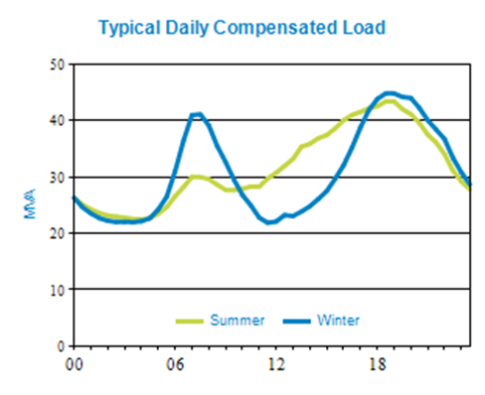
 |  |  |  | Latest Peak Compensated Load |  |  |  | 77 MVA on 02/02/2022 at 14:30
 |  |  |  | Major Loads

PEAK LOAD FORECAST AND CAPACITY | SUMMER |  |  |  |  | WINTER
 | 2022/23 | 2023/24 | 2024/25 | 2025/26 | 2026/27 | 2022 | 2023 | 2024 | 2025 | 2026
Peak Risk Period | Day | Day | Day | Day | Day | Night | Night | Night | Night | Night
NCC Rating (MVA) | 182.9 | 182.9 | 182.9 | 182.9 | 182.9 | 192.0 | 192.0 | 192.0 | 192.0 | 192.0
Contracted non-network (MVA) | 0.0 | 0.0 | 0.0 | 0.0 | 0.0 | 0.0 | 0.0 | 0.0 | 0.0 | 0.0
10 PoE Load (MVA) | 88.4 | 87.4 | 86.5 | 85.9 | 85.2 | 65.0 | 65.0 | 64.3 | 64.5 | 64.4
LARn (MVA)
LARn (MW)
Power Factor at Peak Load | 1.0 | 1.0 | 1.0 | 1.0 | 1.0 | 1.0 | 1.0 | 1.0 | 1.0 | 1.0
ECC Rating (MVA) | 91.5 | 91.5 | 91.5 | 91.5 | 91.5 | 96.0 | 96.0 | 96.0 | 96.0 | 96.0
50 PoE Load (MVA) | 77.8 | 76.9 | 76.1 | 75.7 | 75.0 | 61.1 | 61.2 | 60.5 | 60.7 | 60.5
50 PoE Load > 95% (MVA) | 3.9 | 3.8 | 3.8 | 3.8 | 3.8 | 3.1 | 3.1 | 3.0 | 3.0 | 3.0
Hours PA > 95% Peak Load | 21.0 | 21.0 | 21.0 | 21.0 | 21.0 | 21.0 | 21.0 | 21.0 | 21.0 | 21.0
Raw LAR (MVA)
2HR Rating (MVA) | 100.6 | 100.6 | 100.6 | 100.6 | 100.6 | 105.2 | 105.2 | 105.2 | 105.2 | 105.2
Auto Trans Avail (MVA) | 0.0 | 0.0 | 0.0 | 0.0 | 0.0 | 0.0 | 0.0 | 0.0 | 0.0 | 0.0
Remote Trans Avail (MVA) | 24.8 | 24.5 | 24.2 | 24.0 | 23.7 | 19.2 | 19.2 | 19.0 | 19.0 | 18.9
Manual Trans Avail (MVA) | 0.0 | 0.0 | 0.0 | 0.0 | 0.0 | 0.0 | 0.0 | 0.0 | 0.0 | 0.0
Mobile Plant Avail (MVA) | 0.0 | 0.0 | 0.0 | 0.0 | 0.0 | 0.0 | 0.0 | 0.0 | 0.0 | 0.0
POPS | No | No | No | No | No | No | No | No | No | No
Bus Configuration | Solid | Solid | Solid | Solid | Solid | Solid | Solid | Solid | Solid | Solid
LARc (MVA)
LARc (MW)
Customer Category | Urban | Urban | Urban | Urban | Urban | Urban | Urban | Urban | Urban | Urban
Meets Security Standard | Yes | Yes | Yes | Yes | Yes | Yes | Yes | Yes | Yes | Yes

Back to Index

BBS
Bulk Supply Summary Information and Peak Load Forecast
Substation | BBS - Belmont BS (110/33kV) |  |  |  |  |  | Supply | BBS - WECKER ROAD 33 CP

Description | Land area is 4060 sqm, Construction is a mixture of various construction classes

 | It excludes all the power transformers owned by other TNSP or DNSP.

 | Capacity of commissioned Embedded Generation (with Connection Agreements) is 4.8 MVA
Growth Rates
Load Category | Mixed Domestic
Localities | Supplies Belmont, Camp Hill, Coorparoo, Mackenzie, Mt Gravatt, Rochedale, Scrub Road, Upper Mt Gravatt

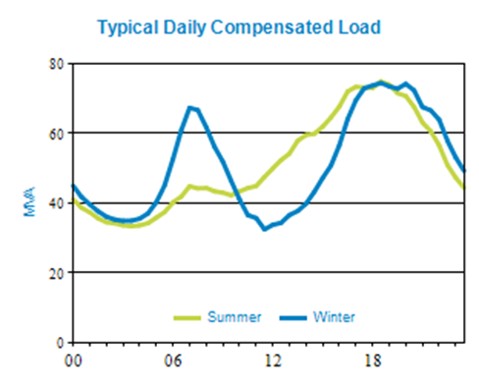
 |  |  |  | Latest Peak Compensated Load |  |  |  | 132.4 MVA on 02/02/2022 at 14:30
 |  |  |  | Major Loads

PEAK LOAD FORECAST AND CAPACITY | SUMMER |  |  |  |  | WINTER
 | 2022/23 | 2023/24 | 2024/25 | 2025/26 | 2026/27 | 2022 | 2023 | 2024 | 2025 | 2026
Peak Risk Period | Day | Day | Day | Day | Day | Night | Night | Night | Night | Night
NCC Rating (MVA) | 321.3 | 321.3 | 321.3 | 321.3 | 321.3 | 337.4 | 337.4 | 337.4 | 337.4 | 337.4
Contracted non-network (MVA) | 0.0 | 0.0 | 0.0 | 0.0 | 0.0 | 0.0 | 0.0 | 0.0 | 0.0 | 0.0
10 PoE Load (MVA) | 143.4 | 147.4 | 145.9 | 145.1 | 144.3 | 102.5 | 102.7 | 106.2 | 106.7 | 106.6
LARn (MVA)
LARn (MW)
Power Factor at Peak Load | 1.0 | 1.0 | 1.0 | 1.0 | 1.0 | 1.0 | 1.0 | 1.0 | 1.0 | 1.0
ECC Rating (MVA) | 217.1 | 217.1 | 217.1 | 217.1 | 217.1 | 227.9 | 227.9 | 227.9 | 227.9 | 227.9
50 PoE Load (MVA) | 128.4 | 132.6 | 131.2 | 130.6 | 129.8 | 95.8 | 95.9 | 99.5 | 100.0 | 99.9
50 PoE Load > 95% (MVA) | 6.4 | 6.6 | 6.6 | 6.5 | 6.5 | 4.8 | 4.8 | 5.0 | 5.0 | 5.0
Hours PA > 95% Peak Load | 3.0 | 3.0 | 3.0 | 3.0 | 3.0 | 3.0 | 3.0 | 3.0 | 3.0 | 3.0
Raw LAR (MVA)
2HR Rating (MVA) | 238.8 | 238.8 | 238.8 | 238.8 | 238.8 | 249.6 | 249.6 | 249.6 | 249.6 | 249.6
Auto Trans Avail (MVA) | 13.8 | 19.6 | 19.4 | 19.4 | 19.4 | 11.3 | 11.4 | 16.4 | 16.5 | 16.5
Remote Trans Avail (MVA) | 27.4 | 27.1 | 26.8 | 26.7 | 26.5 | 17.4 | 17.4 | 17.2 | 17.3 | 17.3
Manual Trans Avail (MVA) | 0.0 | 0.0 | 0.0 | 0.0 | 0.0 | 0.0 | 0.0 | 0.0 | 0.0 | 0.0
Mobile Plant Avail (MVA) | 0.0 | 0.0 | 0.0 | 0.0 | 0.0 | 0.0 | 0.0 | 0.0 | 0.0 | 0.0
POPS | Yes | Yes | Yes | Yes | Yes | Yes | Yes | Yes | Yes | Yes
Bus Configuration | Solid | Solid | Solid | Solid | Solid | Solid | Solid | Solid | Solid | Solid
LARc (MVA)
LARc (MW)
Customer Category | Urban | Urban | Urban | Urban | Urban | Urban | Urban | Urban | Urban | Urban
Meets Security Standard | Yes | Yes | Yes | Yes | Yes | Yes | Yes | Yes | Yes | Yes

Back to Index

GNA
Bulk Supply Summary Information and Peak Load Forecast
Substation | GNA - Goodna BS (110/33kV) |  |  |  |  |  | Supply | GDA - GOODNA 33 CP

Description | Land area is 183300 sqm, Construction is a mixture of various construction classes

 | It excludes all the power transformers owned by other TNSP or DNSP.

 | Capacity of commissioned Embedded Generation (with Connection Agreements) is 27.1 MVA
Growth Rates
Load Category | Industrial
Localities | Supplies Carole Park, Carole Park Central, Cooneana, Redbank, Springfield

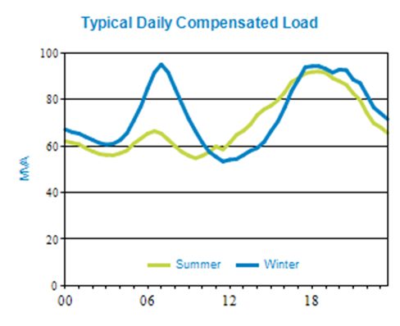
 |  |  |  | Latest Peak Compensated Load |  |  |  | 150.1 MVA on 01/02/2022 at 17:30
 |  |  |  | Major Loads

PEAK LOAD FORECAST AND CAPACITY | SUMMER |  |  |  |  | WINTER
 | 2022/23 | 2023/24 | 2024/25 | 2025/26 | 2026/27 | 2022 | 2023 | 2024 | 2025 | 2026
Peak Risk Period | Night | Night | Night | Night | Night | Night | Night | Night | Night | Night
NCC Rating (MVA) | 344.9 | 344.9 | 344.9 | 344.9 | 344.9 | 365.4 | 365.4 | 365.4 | 365.4 | 365.4
Contracted non-network (MVA) | 0.0 | 0.0 | 0.0 | 0.0 | 0.0 | 0.0 | 0.0 | 0.0 | 0.0 | 0.0
10 PoE Load (MVA) | 154.9 | 156.3 | 162.8 | 164.7 | 167.1 | 102.4 | 100.9 | 102.9 | 107.2 | 108.8
LARn (MVA)
LARn (MW)
Power Factor at Peak Load | 1.0 | 1.0 | 1.0 | 1.0 | 1.0 | 1.0 | 1.0 | 1.0 | 1.0 | 1.0
ECC Rating (MVA) | 193.7 | 193.7 | 193.7 | 193.7 | 193.7 | 202.3 | 202.3 | 202.3 | 202.3 | 202.3
50 PoE Load (MVA) | 142.9 | 144.1 | 150.5 | 152.2 | 154.3 | 97.5 | 95.8 | 97.8 | 101.9 | 103.3
50 PoE Load > 95% (MVA) | 7.1 | 7.2 | 7.5 | 7.6 | 7.7 | 4.9 | 4.8 | 4.9 | 5.1 | 5.2
Hours PA > 95% Peak Load | 13.5 | 13.5 | 13.5 | 13.5 | 13.5 | 13.5 | 13.5 | 13.5 | 13.5 | 13.5
Raw LAR (MVA)
2HR Rating (MVA) | 251.5 | 251.5 | 251.5 | 251.5 | 251.5 | 262.9 | 262.9 | 262.9 | 262.9 | 262.9
Auto Trans Avail (MVA) | 0.0 | 0.0 | 0.0 | 0.0 | 0.0 | 0.0 | 0.0 | 0.0 | 0.0 | 0.0
Remote Trans Avail (MVA) | 34.7 | 35.5 | 37.7 | 38.3 | 38.7 | 29.1 | 26.8 | 28.8 | 29.5 | 30.0
Manual Trans Avail (MVA) | 0.0 | 0.0 | 0.0 | 0.0 | 0.0 | 0.0 | 0.0 | 0.0 | 0.0 | 0.0
Mobile Plant Avail (MVA) | 0.0 | 0.0 | 0.0 | 0.0 | 0.0 | 0.0 | 0.0 | 0.0 | 0.0 | 0.0
POPS | No | No | No | No | No | Yes | No | No | No | No
Bus Configuration | Solid | Solid | Solid | Solid | Solid | Solid | Solid | Solid | Solid | Solid
LARc (MVA)
LARc (MW)
Customer Category | Urban | Urban | Urban | Urban | Urban | Urban | Urban | Urban | Urban | Urban
Meets Security Standard | Yes | Yes | Yes | Yes | Yes | Yes | Yes | Yes | Yes | Yes

Back to Index

LGL
Bulk Supply Summary Information and Peak Load Forecast
Substation | LGL - Loganlea BS (110/33kV) |  |  |  |  |  | Supply | LGL - LOGANLEA 33 CP

Description | Land area is 100800 sqm, Construction is a mixture of various construction classes

 | It excludes all the power transformers owned by other TNSP or DNSP.

 | Capacity of commissioned Embedded Generation (with Connection Agreements) is 4.3 MVA
Growth Rates
Load Category | Mixed Domestic
Localities | Supplies Crestmead, Kingston, Tanah Merah, Woodridge

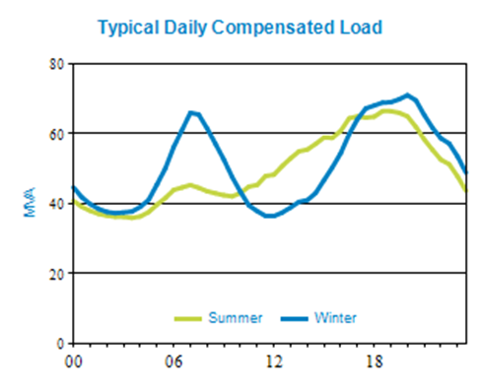
 |  |  |  | Latest Peak Compensated Load |  |  |  | 104.3 MVA on 02/02/2022 at 14:30
 |  |  |  | Major Loads

PEAK LOAD FORECAST AND CAPACITY | SUMMER |  |  |  |  | WINTER
 | 2022/23 | 2023/24 | 2024/25 | 2025/26 | 2026/27 | 2022 | 2023 | 2024 | 2025 | 2026
Peak Risk Period | Day | Day | Day | Day | Day | Night | Night | Night | Night | Night
NCC Rating (MVA) | 257.9 | 257.9 | 257.9 | 257.9 | 257.9 | 277.3 | 277.3 | 277.3 | 277.3 | 277.3
Contracted non-network (MVA) | 0.0 | 0.0 | 0.0 | 0.0 | 0.0 | 0.0 | 0.0 | 0.0 | 0.0 | 0.0
10 PoE Load (MVA) | 115.4 | 114.4 | 112.9 | 112.6 | 112.2 | 86.7 | 87.1 | 86.4 | 86.4 | 86.6
LARn (MVA)
LARn (MW)
Power Factor at Peak Load | 1.0 | 1.0 | 1.0 | 1.0 | 1.0 | 1.0 | 1.0 | 1.0 | 1.0 | 1.0
ECC Rating (MVA) | 191.1 | 191.1 | 191.1 | 191.1 | 191.1 | 199.8 | 199.8 | 199.8 | 199.8 | 199.8
50 PoE Load (MVA) | 101.9 | 101.0 | 99.6 | 99.3 | 99.0 | 83.2 | 83.6 | 82.9 | 82.9 | 83.0
50 PoE Load > 95% (MVA) | 5.1 | 5.1 | 5.0 | 5.0 | 5.0 | 4.2 | 4.2 | 4.1 | 4.1 | 4.2
Hours PA > 95% Peak Load | 3.0 | 3.0 | 3.0 | 3.0 | 3.0 | 3.0 | 3.0 | 3.0 | 3.0 | 3.0
Raw LAR (MVA)
2HR Rating (MVA) | 265.6 | 265.6 | 265.6 | 265.6 | 265.6 | 277.7 | 277.7 | 277.7 | 277.7 | 277.7
Auto Trans Avail (MVA) | 17.4 | 17.2 | 16.9 | 16.8 | 16.6 | 13.2 | 13.2 | 13.0 | 13.0 | 12.9
Remote Trans Avail (MVA) | 0.0 | 0.0 | 0.0 | 0.0 | 0.0 | 0.0 | 0.0 | 0.0 | 0.0 | 0.0
Manual Trans Avail (MVA) | 0.0 | 0.0 | 0.0 | 0.0 | 0.0 | 0.0 | 0.0 | 0.0 | 0.0 | 0.0
Mobile Plant Avail (MVA) | 0.0 | 0.0 | 0.0 | 0.0 | 0.0 | 0.0 | 0.0 | 0.0 | 0.0 | 0.0
POPS | Yes | Yes | Yes | Yes | Yes | Yes | Yes | Yes | Yes | Yes
Bus Configuration | Solid | Solid | Solid | Solid | Solid | Solid | Solid | Solid | Solid | Solid
LARc (MVA)
LARc (MW)
Customer Category | Urban | Urban | Urban | Urban | Urban | Urban | Urban | Urban | Urban | Urban
Meets Security Standard | Yes | Yes | Yes | Yes | Yes | Yes | Yes | Yes | Yes | Yes

Back to Index

MDR
Bulk Supply Summary Information and Peak Load Forecast
Substation | MDR - Molendinar BS (110/33kV) |  |  |  |  |  | Supply | MAR - MOLENDINAR 110 CP

Description | Land area is 74515 sqm, Construction is conventional outdoor bulk class

 | It excludes all the power transformers owned by other TNSP or DNSP.

 | Capacity of commissioned Embedded Generation (with Connection Agreements) is 14.4 MVA
Growth Rates
Load Category | Mixed Domestic
Localities | Supplies Arundel, Bundall, Hollywell, Labrador

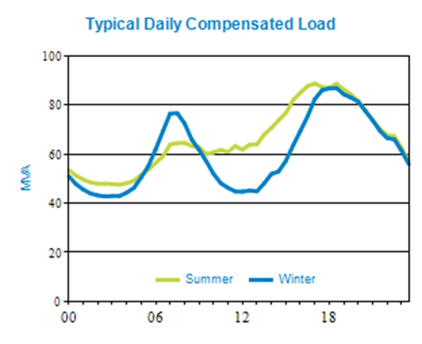
 |  |  |  | Latest Peak Compensated Load |  |  |  | 136.9 MVA on 02/02/2022 at 14:30
 |  |  |  | Major Loads

PEAK LOAD FORECAST AND CAPACITY | SUMMER |  |  |  |  | WINTER
 | 2022/23 | 2023/24 | 2024/25 | 2025/26 | 2026/27 | 2022 | 2023 | 2024 | 2025 | 2026
Peak Risk Period | Day | Day | Day | Day | Day | Night | Night | Night | Night | Night
NCC Rating (MVA) | 426.7 | 426.7 | 426.7 | 426.7 | 426.7 | 462.6 | 462.6 | 462.6 | 462.6 | 462.6
Contracted non-network (MVA) | 0.0 | 0.0 | 0.0 | 0.0 | 0.0 | 0.0 | 0.0 | 0.0 | 0.0 | 0.0
10 PoE Load (MVA) | 146.9 | 147.0 | 147.9 | 147.4 | 146.8 | 102.1 | 105.8 | 104.8 | 107.0 | 107.2
LARn (MVA)
LARn (MW)
Power Factor at Peak Load | 1.0 | 1.0 | 1.0 | 1.0 | 1.0 | 1.0 | 1.0 | 1.0 | 1.0 | 1.0
ECC Rating (MVA) | 318.3 | 318.3 | 318.3 | 318.3 | 318.3 | 338.4 | 338.4 | 338.4 | 338.4 | 338.4
50 PoE Load (MVA) | 135.6 | 135.7 | 136.7 | 136.3 | 135.7 | 96.4 | 100.2 | 99.3 | 101.3 | 101.5
50 PoE Load > 95% (MVA) | 6.8 | 6.8 | 6.8 | 6.8 | 6.8 | 4.8 | 5.0 | 5.0 | 5.1 | 5.1
Hours PA > 95% Peak Load | 4.0 | 4.0 | 4.0 | 4.0 | 4.0 | 4.0 | 4.0 | 4.0 | 4.0 | 4.0
Raw LAR (MVA)
2HR Rating (MVA) | 503.0 | 503.0 | 503.0 | 503.0 | 503.0 | 525.9 | 525.9 | 525.9 | 525.9 | 525.9
Auto Trans Avail (MVA) | 0.0 | 0.0 | 0.0 | 0.0 | 0.0 | 0.0 | 0.0 | 0.0 | 0.0 | 0.0
Remote Trans Avail (MVA) | 0.0 | 0.0 | 0.0 | 0.0 | 0.0 | 0.0 | 0.0 | 0.0 | 0.0 | 0.0
Manual Trans Avail (MVA) | 0.0 | 0.0 | 0.0 | 0.0 | 0.0 | 0.0 | 0.0 | 0.0 | 0.0 | 0.0
Mobile Plant Avail (MVA) | 0.0 | 0.0 | 0.0 | 0.0 | 0.0 | 0.0 | 0.0 | 0.0 | 0.0 | 0.0
POPS | Yes | Yes | Yes | Yes | Yes | Yes | Yes | Yes | Yes | Yes
Bus Configuration | Solid | Solid | Solid | Solid | Solid | Solid | Solid | Solid | Solid | Solid
LARc (MVA)
LARc (MW)
Customer Category | Urban | Urban | Urban | Urban | Urban | Urban | Urban | Urban | Urban | Urban
Meets Security Standard | Yes | Yes | Yes | Yes | Yes | Yes | Yes | Yes | Yes | Yes

Back to Index

MGB
Bulk Supply Summary Information and Peak Load Forecast
Substation | MGB - Mudgeeraba BS (33/33kV) |  |  |  |  |  | Supply | MGB - MUDGEERABA 33 CP

Description | Construction is a mixture of various construction classes

 | It excludes all the power transformers owned by other TNSP or DNSP.

 | Capacity of commissioned Embedded Generation (with Connection Agreements) is 0.0 MVA
Growth Rates
Load Category | Mixed Domestic
Localities | Supplies Broadbeach, Burleigh Heads, Robina, Surfers Paradise

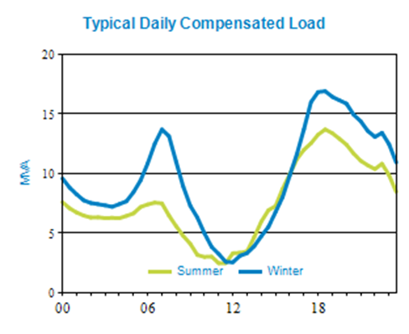
 |  |  |  | Latest Peak Compensated Load |  |  |  | 22.8 MVA on 08/03/2022 at 18:30
 |  |  |  | Major Loads |  |  |  | Yes

PEAK LOAD FORECAST AND CAPACITY | SUMMER |  |  |  |  | WINTER
 | 2022/23 | 2023/24 | 2024/25 | 2025/26 | 2026/27 | 2022 | 2023 | 2024 | 2025 | 2026
Peak Risk Period | Night | Night | Night | Night | Night | Night | Night | Night | Night | Night
NCC Rating (MVA) | 188.4 | 188.4 | 188.4 | 188.4 | 188.4 | 199.4 | 199.4 | 199.4 | 199.4 | 199.4
Contracted non-network (MVA) | 0.0 | 0.0 | 0.0 | 0.0 | 0.0 | 0.0 | 0.0 | 0.0 | 0.0 | 0.0
10 PoE Load (MVA) | 26.1 | 25.8 | 25.6 | 25.5 | 25.3 | 22.2 | 22.3 | 22.1 | 22.3 | 22.3
LARn (MVA)
LARn (MW)
Power Factor at Peak Load | 1.0 | 1.0 | 1.0 | 1.0 | 1.0 | 1.0 | 1.0 | 1.0 | 1.0 | 1.0
ECC Rating (MVA) | 0.0 | 0.0 | 0.0 | 0.0 | 0.0 | 0.0 | 0.0 | 0.0 | 0.0 | 0.0
50 PoE Load (MVA) | 22.9 | 22.7 | 22.5 | 22.4 | 22.3 | 20.5 | 20.5 | 20.3 | 20.5 | 20.5
50 PoE Load > 95% (MVA) | 1.1 | 1.1 | 1.1 | 1.1 | 1.1 | 1.0 | 1.0 | 1.0 | 1.0 | 1.0
Hours PA > 95% Peak Load | 8.5 | 8.5 | 8.5 | 8.5 | 8.5 | 8.5 | 8.5 | 8.5 | 8.5 | 8.5
Raw LAR (MVA) | 22.9 | 22.7 | 22.5 | 22.4 | 22.3 | 20.5 | 20.5 | 20.3 | 20.5 | 20.5
2HR Rating (MVA) | 0.0 | 0.0 | 0.0 | 0.0 | 0.0 | 0.0 | 0.0 | 0.0 | 0.0 | 0.0
Auto Trans Avail (MVA) | 22.9 | 22.7 | 22.5 | 22.4 | 22.3 | 20.5 | 20.5 | 20.3 | 20.5 | 20.5
Remote Trans Avail (MVA) | 0.0 | 0.0 | 0.0 | 0.0 | 0.0 | 0.0 | 0.0 | 0.0 | 0.0 | 0.0
Manual Trans Avail (MVA) | 0.0 | 0.0 | 0.0 | 0.0 | 0.0 | 0.0 | 0.0 | 0.0 | 0.0 | 0.0
Mobile Plant Avail (MVA) | 0.0 | 0.0 | 0.0 | 0.0 | 0.0 | 0.0 | 0.0 | 0.0 | 0.0 | 0.0
POPS | No | No | No | No | No | No | No | No | No | No
Bus Configuration | Solid | Solid | Solid | Solid | Solid | Solid | Solid | Solid | Solid | Solid
LARc (MVA)
LARc (MW)
Customer Category | Urban | Urban | Urban | Urban | Urban | Urban | Urban | Urban | Urban | Urban
Meets Security Standard | Yes | Yes | Yes | Yes | Yes | Yes | Yes | Yes | Yes | Yes

Back to Index

RLD
Bulk Supply Summary Information and Peak Load Forecast
Substation | RLD - Richlands BS (110/33kV) |  |  |  |  |  | Supply | RLD - RICHLANDS 33 CP

Description | Land area is 31318 sqm, Construction is a mixture of various construction classes

 | It excludes all the power transformers owned by other TNSP or DNSP.

 | Capacity of commissioned Embedded Generation (with Connection Agreements) is 4.0 MVA
Growth Rates
Load Category | Industrial
Localities | Supplies Darra, Inala, Jindalee, Oxley, Wacol

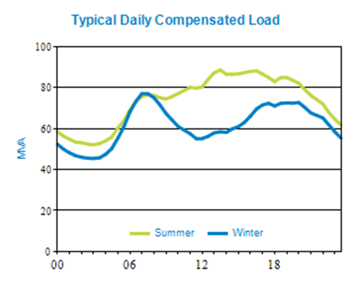
 |  |  |  | Latest Peak Compensated Load |  |  |  | 134.1 MVA on 02/02/2022 at 14:00
 |  |  |  | Major Loads |  |  |  | Yes

PEAK LOAD FORECAST AND CAPACITY | SUMMER |  |  |  |  | WINTER
 | 2022/23 | 2023/24 | 2024/25 | 2025/26 | 2026/27 | 2022 | 2023 | 2024 | 2025 | 2026
Peak Risk Period | Day | Day | Day | Day | Day | Day | Day | Day | Day | Day
NCC Rating (MVA) | 188.1 | 493.8 | 493.8 | 493.8 | 493.8 | 197.5 | 518.6 | 518.6 | 518.6 | 518.6
Contracted non-network (MVA) | 0.0 | 0.0 | 0.0 | 0.0 | 0.0 | 0.0 | 0.0 | 0.0 | 0.0 | 0.0
10 PoE Load (MVA) | 139.6 | 138.4 | 142.8 | 142.6 | 142.1 | 98.1 | 98.6 | 102.0 | 102.8 | 103.1
LARn (MVA)
LARn (MW)
Power Factor at Peak Load | 1.0 | 1.0 | 1.0 | 1.0 | 1.0 | 1.0 | 1.0 | 1.0 | 1.0 | 1.0
ECC Rating (MVA) | 119.5 | 313.8 | 313.8 | 313.8 | 313.8 | 125.5 | 329.5 | 329.5 | 329.5 | 329.5
50 PoE Load (MVA) | 127.4 | 126.3 | 130.8 | 130.6 | 130.2 | 93.5 | 94.0 | 97.4 | 98.2 | 98.5
50 PoE Load > 95% (MVA) | 6.4 | 6.3 | 6.5 | 6.5 | 6.5 | 4.7 | 4.7 | 4.9 | 4.9 | 4.9
Hours PA > 95% Peak Load | 9.0 | 9.0 | 9.0 | 9.0 | 9.0 | 9.0 | 9.0 | 9.0 | 9.0 | 9.0
Raw LAR (MVA)
2HR Rating (MVA) | 131.5 | 345.2 | 345.2 | 345.2 | 345.2 | 137.5 | 360.9 | 360.9 | 360.9 | 360.9
Auto Trans Avail (MVA) | 0.0 | 0.0 | 0.0 | 0.0 | 0.0 | 0.0 | 0.0 | 0.0 | 0.0 | 0.0
Remote Trans Avail (MVA) | 22.2 | 22.0 | 21.8 | 21.7 | 21.6 | 19.7 | 19.7 | 19.5 | 19.6 | 19.6
Manual Trans Avail (MVA) | 0.0 | 0.0 | 0.0 | 0.0 | 0.0 | 0.0 | 0.0 | 0.0 | 0.0 | 0.0
Mobile Plant Avail (MVA) | 0.0 | 0.0 | 0.0 | 0.0 | 0.0 | 0.0 | 0.0 | 0.0 | 0.0 | 0.0
POPS | No | No | No | No | No | No | No | No | No | No
Bus Configuration | Solid | Solid | Solid | Solid | Solid | Solid | Solid | Solid | Solid | Solid
LARc (MVA)
LARc (MW)
Customer Category | Urban | Urban | Urban | Urban | Urban | Urban | Urban | Urban | Urban | Urban
Meets Security Standard | Yes | Yes | Yes | Yes | Yes | Yes | Yes | Yes | Yes | Yes

Back to Index

RBS
Bulk Supply Summary Information and Peak Load Forecast
Substation | RBS - Runcorn BS (110/33kV) |  |  |  |  |  | Supply | RBS - RUNCORN 33 CP

Description | Land area is 46042 sqm, Construction is a mixture of various construction classes

 | It excludes all the power transformers owned by other TNSP or DNSP.

 | Capacity of commissioned Embedded Generation (with Connection Agreements) is 0.9 MVA
Growth Rates
Load Category | Mixed Industrial
Localities | Supplies Eight Mile Plains, Runcorn, Sunnybank

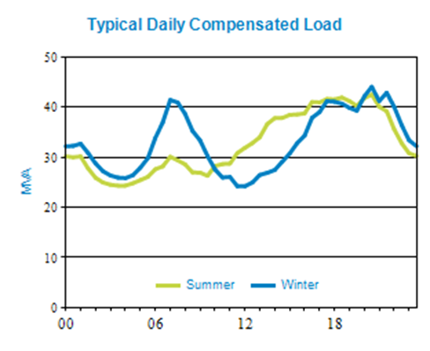
 |  |  |  | Latest Peak Compensated Load |  |  |  | 68.8 MVA on 02/02/2022 at 14:30
 |  |  |  | Major Loads |  |  |  | Yes

PEAK LOAD FORECAST AND CAPACITY | SUMMER |  |  |  |  | WINTER
 | 2022/23 | 2023/24 | 2024/25 | 2025/26 | 2026/27 | 2022 | 2023 | 2024 | 2025 | 2026
Peak Risk Period | Day | Day | Day | Day | Day | Night | Night | Night | Night | Night
NCC Rating (MVA) | 225.2 | 225.2 | 225.2 | 225.2 | 225.2 | 236.4 | 236.4 | 236.4 | 236.4 | 236.4
Contracted non-network (MVA) | 0.0 | 0.0 | 0.0 | 0.0 | 0.0 | 0.0 | 0.0 | 0.0 | 0.0 | 0.0
10 PoE Load (MVA) | 70.2 | 74.4 | 73.8 | 73.6 | 73.3 | 52.5 | 52.6 | 56.0 | 56.4 | 56.4
LARn (MVA)
LARn (MW)
Power Factor at Peak Load | 1.0 | 1.0 | 1.0 | 1.0 | 1.0 | 1.0 | 1.0 | 1.0 | 1.0 | 1.0
ECC Rating (MVA) | 114.3 | 114.3 | 114.3 | 114.3 | 114.3 | 120.0 | 120.0 | 120.0 | 120.0 | 120.0
50 PoE Load (MVA) | 65.4 | 69.7 | 69.1 | 68.9 | 68.6 | 50.5 | 50.7 | 54.0 | 54.4 | 54.5
50 PoE Load > 95% (MVA) | 3.3 | 3.5 | 3.5 | 3.4 | 3.4 | 2.5 | 2.5 | 2.7 | 2.7 | 2.7
Hours PA > 95% Peak Load | 3.5 | 3.5 | 3.5 | 3.5 | 3.5 | 3.5 | 3.5 | 3.5 | 3.5 | 3.5
Raw LAR (MVA)
2HR Rating (MVA) | 125.8 | 125.8 | 125.8 | 125.8 | 125.8 | 131.5 | 131.5 | 131.5 | 131.5 | 131.5
Auto Trans Avail (MVA) | 14.1 | 18.9 | 18.8 | 18.8 | 18.9 | 11.2 | 11.3 | 15.2 | 15.3 | 15.4
Remote Trans Avail (MVA) | 0.0 | 0.0 | 0.0 | 0.0 | 0.0 | 0.0 | 0.0 | 0.0 | 0.0 | 0.0
Manual Trans Avail (MVA) | 0.0 | 0.0 | 0.0 | 0.0 | 0.0 | 0.0 | 0.0 | 0.0 | 0.0 | 0.0
Mobile Plant Avail (MVA) | 0.0 | 0.0 | 0.0 | 0.0 | 0.0 | 0.0 | 0.0 | 0.0 | 0.0 | 0.0
POPS | Yes | Yes | Yes | Yes | Yes | Yes | Yes | Yes | Yes | Yes
Bus Configuration | Solid | Solid | Solid | Solid | Solid | Solid | Solid | Solid | Solid | Solid
LARc (MVA)
LARc (MW)
Customer Category | Urban | Urban | Urban | Urban | Urban | Urban | Urban | Urban | Urban | Urban
Meets Security Standard | Yes | Yes | Yes | Yes | Yes | Yes | Yes | Yes | Yes | Yes

 | RBS - RUNCORN 33 CP

 | Land area is 46042 sqm, Construction is a mixture of various construction classes

 | Transformer size is 2x45/60/80MVA ONAN/ODAN/ODAF
Back to Index

TSN
Bulk Supply Summary Information and Peak Load Forecast
Substation | TSN - Tennyson BS (110/33kV) |  |  |  |  |  | Supply | TNS - TENNYSON 33 CP

Description | Land area is 10400 sqm, Construction is a mixture of various construction classes

 | It excludes all the power transformers owned by other TNSP or DNSP.

 | Capacity of commissioned Embedded Generation (with Connection Agreements) is 3.3 MVA
Growth Rates
Load Category | Mixed Industrial
Localities | Supplies Annerley, Holland Park, Indooroopilly, Kenmore, Moorooka, Sherwood, St Lucia, Taringa

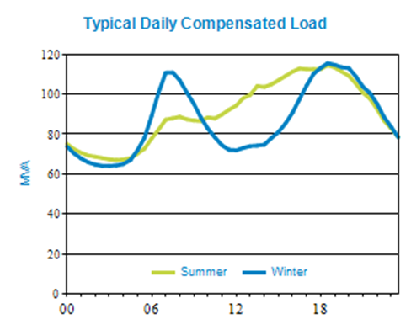
 |  |  |  | Latest Peak Compensated Load |  |  |  | 189.1 MVA on 02/02/2022 at 14:00
 |  |  |  | Major Loads |  |  |  | Yes

PEAK LOAD FORECAST AND CAPACITY | SUMMER |  |  |  |  | WINTER
 | 2022/23 | 2023/24 | 2024/25 | 2025/26 | 2026/27 | 2022 | 2023 | 2024 | 2025 | 2026
Peak Risk Period | Day | Day | Day | Day | Day | Night | Night | Night | Night | Night
NCC Rating (MVA) | 310.9 | 310.9 | 310.9 | 310.9 | 310.9 | 348.1 | 348.1 | 348.1 | 348.1 | 348.1
Contracted non-network (MVA) | 0.0 | 0.0 | 0.0 | 0.0 | 0.0 | 0.0 | 0.0 | 0.0 | 0.0 | 0.0
10 PoE Load (MVA) | 209.4 | 211.8 | 211.4 | 210.4 | 208.7 | 145.3 | 151.6 | 152.4 | 154.8 | 154.7
LARn (MVA)
LARn (MW)
Power Factor at Peak Load | 1.0 | 1.0 | 1.0 | 1.0 | 1.0 | 1.0 | 1.0 | 1.0 | 1.0 | 1.0
ECC Rating (MVA) | 227.3 | 227.3 | 227.3 | 227.3 | 227.3 | 238.7 | 238.7 | 238.7 | 238.7 | 238.7
50 PoE Load (MVA) | 186.9 | 189.5 | 189.3 | 188.4 | 186.9 | 136.3 | 142.7 | 143.5 | 145.8 | 145.7
50 PoE Load > 95% (MVA) | 9.3 | 9.5 | 9.5 | 9.4 | 9.3 | 6.8 | 7.1 | 7.2 | 7.3 | 7.3
Hours PA > 95% Peak Load | 9.5 | 9.5 | 9.5 | 9.5 | 9.5 | 9.5 | 9.5 | 9.5 | 9.5 | 9.5
Raw LAR (MVA) |  | 2.3 | 2.1 | 1.2
2HR Rating (MVA) | 250.1 | 250.1 | 250.1 | 250.1 | 250.1 | 261.4 | 261.4 | 261.4 | 261.4 | 261.4
Auto Trans Avail (MVA) | 0.0 | 0.0 | 0.0 | 0.0 | 0.0 | 0.0 | 0.0 | 0.0 | 0.0 | 0.0
Remote Trans Avail (MVA) | 16.4 | 16.1 | 15.9 | 15.7 | 15.5 | 13.0 | 12.9 | 12.7 | 12.7 | 12.6
Manual Trans Avail (MVA) | 0.0 | 0.0 | 0.0 | 0.0 | 0.0 | 0.0 | 0.0 | 0.0 | 0.0 | 0.0
Mobile Plant Avail (MVA) | 0.0 | 0.0 | 0.0 | 0.0 | 0.0 | 0.0 | 0.0 | 0.0 | 0.0 | 0.0
POPS | No | No | No | No | No | No | No | No | No | No
Bus Configuration | Solid | Solid | Solid | Solid | Solid | Solid | Solid | Solid | Solid | Solid
LARc (MVA)
LARc (MW)
Customer Category | Urban | Urban | Urban | Urban | Urban | Urban | Urban | Urban | Urban | Urban
Meets Security Standard | Yes | Yes | Yes | Yes | Yes | Yes | Yes | Yes | Yes | Yes

 | TNS - TENNYSON 33 CP

 | Land area is 10400 sqm, Construction is a mixture of various construction classes

 | Transformer size is 3x80MVA ODAF
Back to Index

RPN
Joint Owned Zone Summary Information and Peak Load Forecast
Substation | RPN - Redbank Plains (110/11kV) |  |  |  |  |  | Supply | RPN - REDBANK PLAINS 11 CP

Description | Land area is 26140 sqm, Construction is multiple modular class
 | It excludes all the power transformers owned by other TNSP or DNSP.
 | Capacity of commissioned Embedded Generation (with Connection Agreements) is 1.4 MVA
Growth Rates | 2022 W 0.0%, 2023 S 1.3% W 1.3%, 2024 S 1.2% W 1.2%, 2025 S 1.1% W 1.1%, 2026 S 1.1% W 1.1%
Load Category | Domestic
Localities | Supplies Bellbird Park, Brookwater, Collingwood Park, Goodna, New Chum, Redbank, Redbank Plains, Swanbank

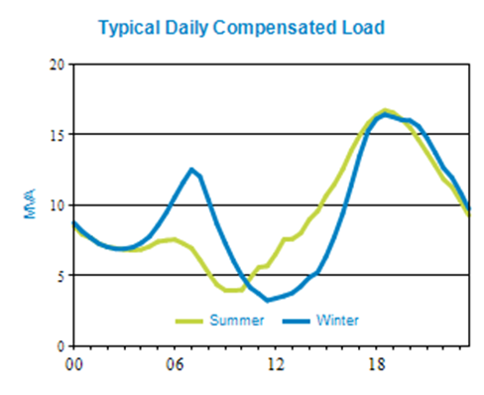
 |  |  |  | Latest Peak Compensated Load |  |  |  | 28.9 MVA on 01/02/2022 at 17:30
 |  |  |  | Major Loads

PEAK LOAD FORECAST AND CAPACITY | SUMMER |  |  |  |  | WINTER
 | 2022/23 | 2023/24 | 2024/25 | 2025/26 | 2026/27 | 2022 | 2023 | 2024 | 2025 | 2026
Peak Risk Period | Night | Night | Night | Night | Night | Night | Night | Night | Night | Night
NCC Rating (MVA) | 67.6 | 67.6 | 67.6 | 67.6 | 67.6 | 71.0 | 71.0 | 71.0 | 71.0 | 71.0
Contracted non-network (MVA) | 0.0 | 0.0 | 0.0 | 0.0 | 0.0 | 0.0 | 0.0 | 0.0 | 0.0 | 0.0
10 PoE Load (MVA) | 37.8 | 37.8 | 37.7 | 37.8 | 38.1 | 23.0 | 28.7 | 28.7 | 29.1 | 29.3
LARn (MVA)
LARn (MW)
Power Factor at Peak Load | 1.0 | 1.0 | 1.0 | 1.0 | 1.0 | 1.0 | 1.0 | 1.0 | 1.0 | 1.0
ECC Rating (MVA) | 36.6 | 36.6 | 36.6 | 36.6 | 36.6 | 38.5 | 38.5 | 38.5 | 38.5 | 38.5
50 PoE Load (MVA) | 35.5 | 35.4 | 35.4 | 35.5 | 35.7 | 21.8 | 27.5 | 27.5 | 27.8 | 28.0
50 PoE Load > 95% (MVA) | 1.8 | 1.8 | 1.8 | 1.8 | 1.8 | 1.1 | 1.4 | 1.4 | 1.4 | 1.4
Hours PA > 95% Peak Load | 2.5 | 2.5 | 2.5 | 2.5 | 2.5 | 2.5 | 2.5 | 2.5 | 2.5 | 2.5
Raw LAR (MVA)
2HR Rating (MVA) | 41.9 | 41.9 | 41.9 | 41.9 | 41.9 | 45.7 | 45.7 | 45.7 | 45.7 | 45.7
Auto Trans Avail (MVA) | 0.0 | 0.0 | 0.0 | 0.0 | 0.0 | 0.0 | 0.0 | 0.0 | 0.0 | 0.0
Remote Trans Avail (MVA) | 0.0 | 0.0 | 0.0 | 0.0 | 0.0 | 0.0 | 0.0 | 0.0 | 0.0 | 0.0
Manual Trans Avail (MVA) | 12.0 | 12.0 | 12.0 | 12.0 | 12.0 | 12.0 | 12.0 | 12.0 | 12.0 | 12.0
Mobile Plant Avail (MVA) | 4.0 | 4.0 | 4.0 | 4.0 | 4.0 | 4.0 | 4.0 | 4.0 | 4.0 | 4.0
POPS | No | No | No | No | No | No | No | No | No | No
Bus Configuration | Split w ACO | Split w ACO | Split w ACO | Split w ACO | Split w ACO | Split w ACO | Split w ACO | Split w ACO | Split w ACO | Split w ACO
LARc (MVA)
LARc (MW)
Customer Category | Urban | Urban | Urban | Urban | Urban | Urban | Urban | Urban | Urban | Urban
Meets Security Standard | Yes | Yes | Yes | Yes | Yes | Yes | Yes | Yes | Yes | Yes

Back to Index

